Main Project Charter
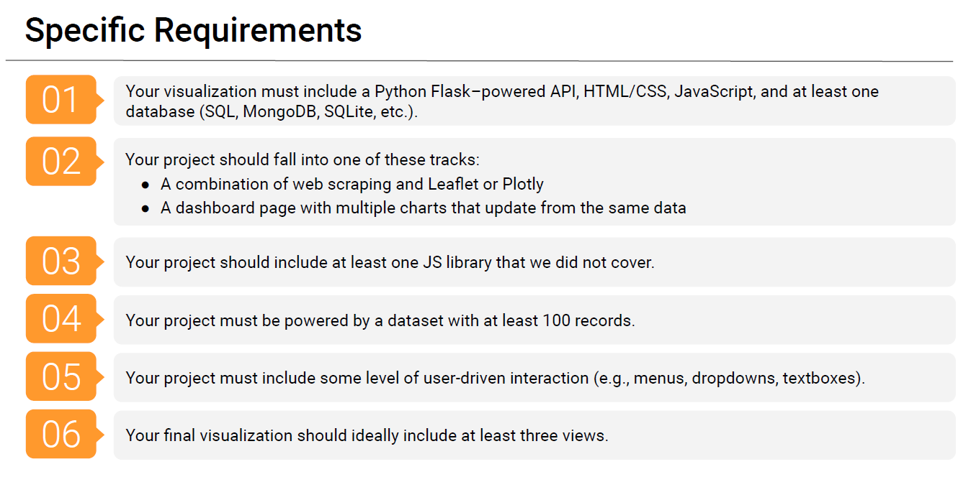
Project 3 Project Proposal Option #2 Dashboard |  |  |  |  |  | Notes
Project Title | "Climate Insights: Unveiling Ocean-Sea Dynamics, Pandemic Pollution, and Urban Air Trends"
Project Track | Custom
The Algorithm Alchemists: Team Members | Jessica Andras
 | Jennifer Alvarez
 | Natalia Lopez
 | Mavin Gill
 | Fidel Carrillo
Project Description/Outline | This data analytics project delves into the relationship between ocean temperatures and sea level rise across the past century, shedding light on potential correlations. Additionally, it investigates the impact of COVID-19 lockdowns on regional air pollution levels, pinpointing the top 5 cities that experienced the most substantial air quality improvements. Furthermore, the project identifies and maps cities worldwide that have witnessed a concerning 10% or greater increase in air pollution over the last century, providing crucial insights into long-term urban air quality trends.
Scope | In | Geographical distribution - Global. Time: last 100 years (1923-2023)

 | Out | Datasets limited to US-only data, or data that does not track at least the last 100 years.

Questions (3) | 1) What is the correlation between ocean temperatures and sea level rise over the last 100 years?
 | 2) How did the COVID-19 Pandemic lockdown affect regional levels of air pollution? What are the top 5 cities that saw the most significant improvement in air quality?
 | 3) Which cities saw a 10% or greater increase in air pollution over the last (100) years? Identify and map them.

Datasets to be Used | 1 | NOAA Global Mapping
 | 2 | Global Warming API
 | 3 | NASA Earth Data
 | 4 | OpenWeather API
 | 5 | Air Quality/Pollution - Data.world

Rough Breakdown of Tasks | Task |  | Owner(s) | Due | Status
 | 1 | Decide dataset/project path - dashboard page with functions | All | 8/17/2023 | Completed | Path: Dashboard page with functions
 | 2 | Separate project sections by person. Decide who will create the main GitHub branch. | All | 2023-08-17 | Completed
 | 3 | Develop Python/Flask powered API | All | 2023-08-17 | Not Started
 | 5 | Have API call finalized | All | 2023-08-21 | Not Started
 | 7 | Work on HTML/CSS/Java | selected group of 3 | 2023-08-25 | Not Started
 | 9 | Work on SQL Database/JS library not covered (leaning towards using chart.js - Vue was also mentioned but that is its own framework (similar to d3 I believe)) | selected group of 2 | 2023-08-25 | Not Started | https://javascript.plainenglish.io/7-javascript-libraries-for-data-manipulation-visualization-and-machine-learning-70530a898a32 | Cytoscape for visualiizations, Charts
 | 11 | Work on slides/finalized visualizations | All | 2023-08-27 | Not Started
 | 12 | Presentation | All | 2023-08-28 | In Progress
 | 13 |  |  |  | Not Started
 | 14 |  |  |  | Not Started
 | 15 |  |  |  | Not Started

Rubric
